Sheet1
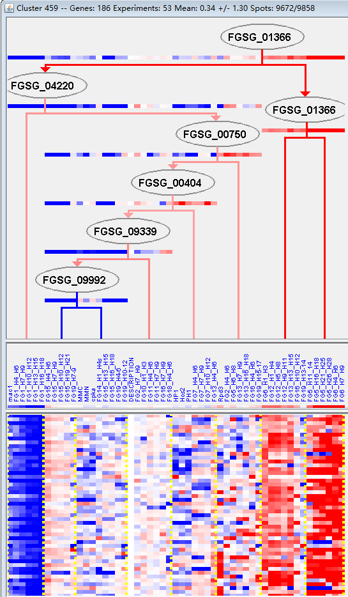
k | Filter | FUNCTIONAL CATEGORY | abs SET | rel SET | genes SET | abs GENOME | rel GENOME | rel SET/rel GENOME | P-VALUE | Bonferroni_corr | FDR
01.01.09.03 metabolism of cysteine | 2 | 1.28 | FGSG_03181 FGSG_13141 | 30 | 0.21 | 6.0952380952 | 0.044775018574
01.01.09.03.02 degradation of cysteine | 2 | 1.28 | FGSG_03181 FGSG_13141 | 12 | 0.08 | 16 | 0.0077516458839
01.20.21 metabolism of sulfuric acid and L-cysteine derivatives | 2 | 1.28 | FGSG_03181 FGSG_13141 | 8 | 0.05 | 25.6 | 0.0033874370372
10.03.02.01 meiosis I | 2 | 1.28 | FGSG_11941 FGSG_10728 | 11 | 0.07 | 18.285714286 | 0.0065076491222
99 UNCLASSIFIED PROTEINS | 111 | 71.1 | FGSG_00252 FGSG_00256 FGSG_00381 FGSG_00426 FGSG_00885 FGSG_01266 FGSG_11924 FGSG_01335 FGSG_01431 FGSG_01458 FGSG_01477 FGSG_01827 FGSG_02042 FGSG_02061 FGSG_02102 FGSG_02109 FGSG_12078 FGSG_12085 FGSG_12128 FGSG_12132 FGSG_02490 FGSG_12161 FGSG_02617 FGSG_02638 FGSG_02723 FGSG_02740 FGSG_04459 FGSG_04441 FGSG_04432 FGSG_04348 FGSG_04236 FGSG_04099 FGSG_04082 FGSG_03939 FGSG_03757 FGSG_03671 FGSG_03596 FGSG_12446 FGSG_03339 FGSG_03241 FGSG_03218 FGSG_12500 FGSG_03122 FGSG_03057 FGSG_03040 FGSG_03006 FGSG_02858 FGSG_04698 FGSG_04766 FGSG_04814 FGSG_12623 FGSG_04850 FGSG_04912 FGSG_04952 FGSG_04955 FGSG_04997 FGSG_05019 FGSG_05055 FGSG_05241 FGSG_12736 FGSG_12749 FGSG_05552 FGSG_12780 FGSG_12783 FGSG_12791 FGSG_05811 FGSG_06076 FGSG_06079 FGSG_06095 FGSG_06250 FGSG_12942 FGSG_06602 FGSG_12944 FGSG_12984 FGSG_06780 FGSG_13009 FGSG_07081 FGSG_13139 FGSG_07424 FGSG_07435 FGSG_13162 FGSG_07680 FGSG_13209 FGSG_13210 FGSG_07744 FGSG_07922 FGSG_08890 FGSG_08764 FGSG_08553 FGSG_08389 FGSG_13418 FGSG_08203 FGSG_08161 FGSG_08156 FGSG_08974 FGSG_08978 FGSG_13488 FGSG_13509 FGSG_09202 FGSG_09222 FGSG_09236 FGSG_09569 FGSG_13610 FGSG_09971 FGSG_10044 FGSG_10171 FGSG_10208 FGSG_10279 FGSG_10324 FGSG_10359 FGSG_13757 | 7238 | 52.3 | 1.3594646272 | 1.13E-06

01.01.09.03半胱氨酸代谢
01.01.09.03.02退化半胱氨酸
01.20.21硫酸和l -半胱氨酸衍生物的代谢
10.03.02.01减数分裂I
99未分类的蛋白质

